3. Output Page
3. Output Page

SHOW LETI 2030 TARGET
SHOW RIBA 2030 TARGET
 |  |  | Project Name |  |  | Upfront Embodied Carbon A1-5 exc. sequestration (kgCO2e/m2) | Life Cycle Embodied Carbon A1-5, B1-5, C1-4 (kgCO2e/m2)
 |  |  | Project Sector
 |  |  | Assessment Date
 |  |  | Assessment By (company)
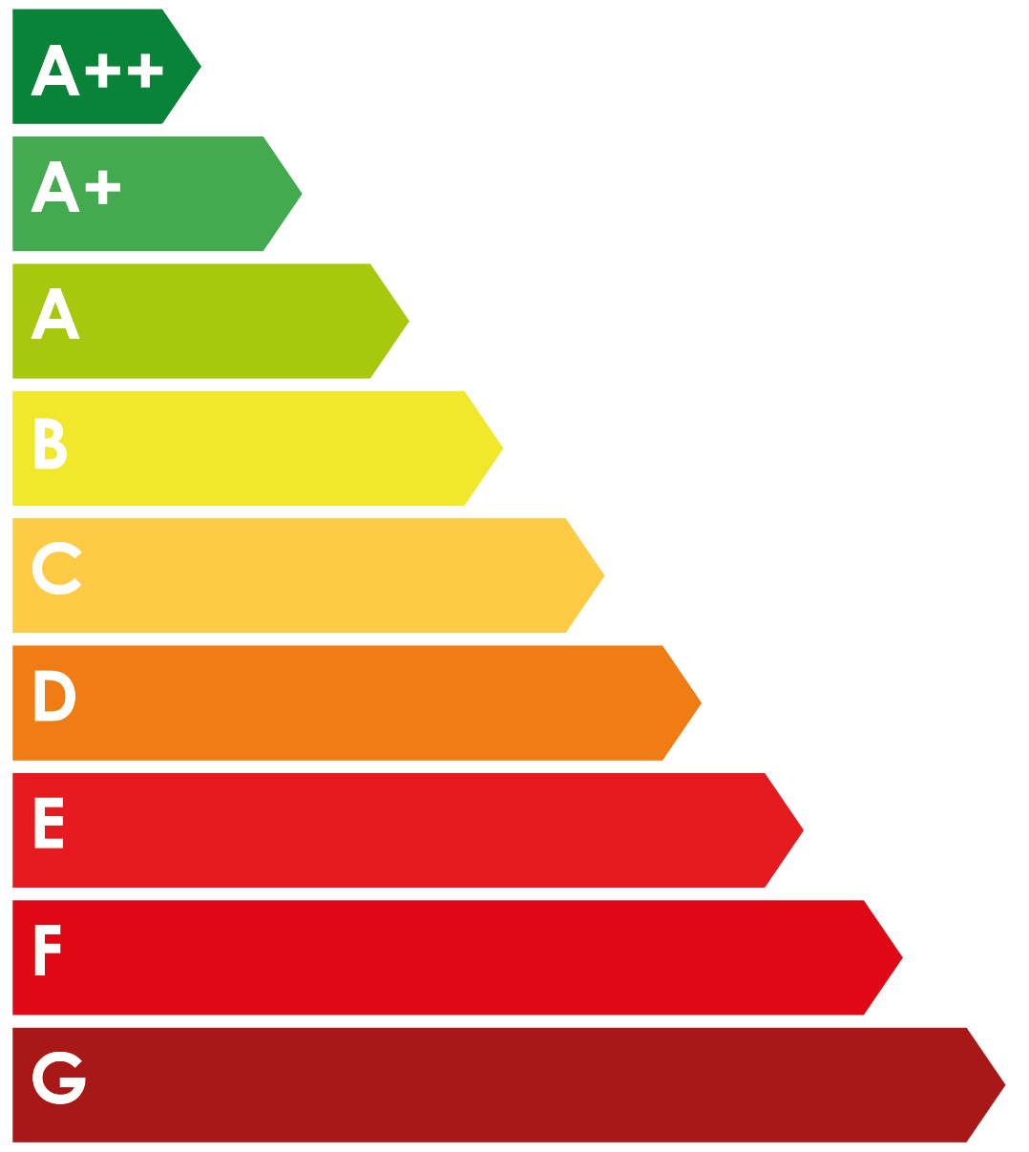
 |  | G | F | E | D | C | B | A | A+ | A++
 | #N/A | #N/A | #N/A | #N/A | #N/A | #N/A | #N/A | #N/A | #N/A | #N/A
 |  | Mask
 | #N/A | 1
 |  | G | F | E | D | C | B | A | A+ | A++
 | #N/A | #N/A | #N/A | #N/A | #N/A | #N/A | #N/A | #N/A | #N/A | #N/A
 |  | Mask
 | #N/A | 1
 |  |  | Location of Data | -

 |  |  |  |  | LETI 2030 Design Target
 |  |  |  |  | RIBA 2030 Built Target

Current Average Design

 |  |  |  |  | Non-Listed Typology:
 |  |  |  |  | Sequestered Carbon: | 0 kgCO₂e/m²
 |  |  |  |  |  | Module D: | 0 kgCO₂e/m²

 | v0.4.1 | 2022-03-04

A. Benchmark Data
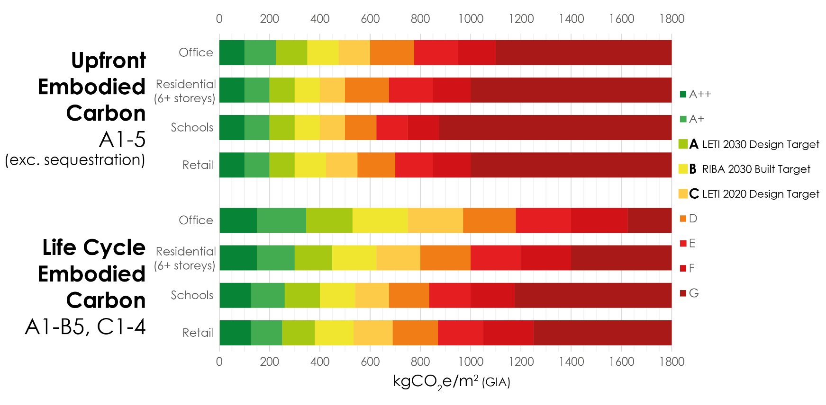
 | Upfront Embodied Carbon, A1-5 (exc. sequestration)
 | Band | Office | Residential (6+ storeys) | Education | Retail
 | A++ | <100 | <100 | <100 | <100
 | A+ | <225 | <200 | <200 | <200 | Band Colours (RGB)
LETI 2030 Design Target | A | <350 | <300 | <300 | <300 | A++ | 048337
 | B | <475 | <400 | <400 | <425 | A+ | 45AA50
LETI 2020 Design Target | C | <600 | <500 | <500 | <550 | A | A8C812
 | D | <775 | <675 | <625 | <700 | B | F3E72C
 | E | <950 | <850 | <750 | <850 | C | FECC46
 | F | <1100 | <1000 | <875 | <1000 | D | EF7C1A
 | G | <1300 | <1200 | <1100 | <1200 | E | E52320
 |  |  |  |  |  | F | D10913
 |  |  |  |  |  | G | A81916
 | Life Cycle Embodied Carbon, A1-5, B1-5, C1-4
 | Band | Office | Residential (6+ storeys) | Education | Retail
 | A++ | <150 | <150 | <125 | <125
 | A+ | <345 | <300 | <260 | <250
 | A | <530 | <450 | <400 | <380
RIBA 2030 Build Target | B | <750 | <625 | <540 | <535
 | C | <970 | <800 | <675 | <690
 | D | <1180 | <1000 | <835 | <870
 | E | <1400 | <1200 | <1000 | <1050
 | F | <1625 | <1400 | <1175 | <1250
 | G | <1900 | <1600 | <1350 | <1450

 | v0.4.1 | 2022-03-04

